C-source
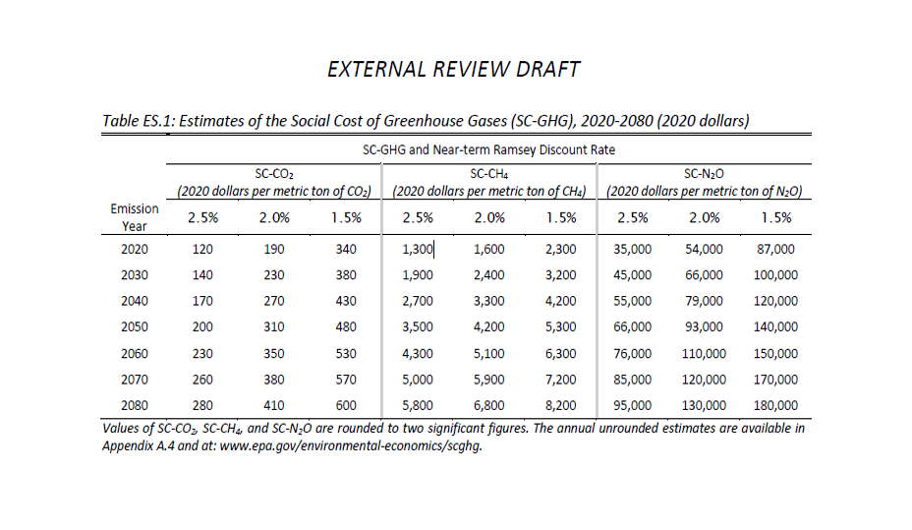

U.S. Environmental Protection Agency (EPA), 2022. External Review Draft of Report on the Social Cost of Greenhouse Gases: Estimates Incorporating Recent Scientific Advances. Washington, DC: EPA. Available at: [insert the document's URL or access details if online] [Accessed 29 November 2024].

Link to source:
epa_scghg_report_draft_0.pdf

